LCOH2
Insert parameter of the electrolizer |  |  |  |  |  |  | Active Years | 1898880 |  | 1 | 2 | 3 | 4 | 5 | 6 | 7 | 8 | 9 | 10 | 11 | 12 | 13 | 14 | 15 | 16 | 17 | 18 | 19 | 20 | 21 | 22 | 23 | 24 | 25 | 26 | 27 | 28 | 29 | 30 | 31 | 32 | 33 | 34 | 35 | 36 | 37 | 38 | 39 | 40 | 41 | 42 | 43 | 44 | 45 | 46 | 47 | 48 | 49 | 50 | 51
Nominal input power (kW) | 1840 |  |  | efficiency |  |  | From first year of construction | -1 | 0 | 1 | 2 | 3 | 4 | 5 | 6 | 7 | 8 | 9 | 10 | 11 | 12 | 13 | 14 | 15 | 16 | 17 | 18 | 19 | 20 | 21 | 22 | 23 | 24 | 25 | 26 | 27 | 28 | 29 | 30 | 31 | 32 | 33 | 34 | 35 | 36 | 37 | 38 | 39 | 40 | 41 | 42 | 43 | 44 | 45 | 46 | 47 | 48 | 49 | 50 | 51
Nominal H2 flow (kg/h) | 35.952 |  | 1198.28016 | 65.123921739 |  |  | CAPEX | 978880 | 920000 | 0 | 0 | 0 | 0 | 0 | 0 | 0 | 0 | 0 | 0 | 0 | 0 | 0 | 0 | 0 | 0 | 0 | 0 | 0 | 0 | 0 | 0 | 0 | 0 | 0 | 0 | 0 | 0 | 0 | 0 | 0 | 0 | 0 | 0 | 0 | 0 | 0 | 0 | 0 | 0 | 0 | 0 | 0 | 0 | 0 | 0 | 0 | 0 | 0 | 0 | 0 | 1898880
stack lifetime (hours) | 60000 |  | 50000 | 80000 |  |  | OPEX (electricity) | 0 | 0 | 157745.20602 | 296513.54514 | 278678.14393 | 261915.54881 | 246161.23008 | 231354.53955 | 217438.47702 | 204359.47088 | 192067.17188 | 180514.25929 | 169656.25873 | 159451.37099 | 149860.31108 | 140846.15703 | 132374.20773 | 124411.84937 | 116928.42986 | 109895.14085 | 103284.90681 | 0 | 0 | 0 | 0 | 0 | 0 | 0 | 0 | 0 | 0 | 0 | 0 | 0 | 0 | 0 | 0 | 0 | 0 | 0 | 0 | 0 | 0 | 0 | 0 | 0 | 0 | 0 | 0 | 0 | 0 | 0 | 0 | 3473456.225
Power demand electrolizer (kWh/kg H2) | 51.179350245 |  | 60 |  |  |  | OPEX (fixed and other variable ones) | 0 | 0 | 69172.932331 | 65012.154446 | 61101.648916 | 57426.361763 | 53972.144514 | 50725.699731 | 47674.529823 | 44806.888931 | 42111.737717 | 39578.700862 | 37198.027126 | 34960.55181 | 32857.661476 | 30881.260785 | 29023.74134 | 27277.952387 | 25637.173296 | 24095.087684 | 22645.759102 | 0 | 0 | 0 | 0 | 0 | 0 | 0 | 0 | 0 | 0 | 0 | 0 | 0 | 0 | 0 | 0 | 0 | 0 | 0 | 0 | 0 | 0 | 0 | 0 | 0 | 0 | 0 | 0 | 0 | 0 | 0 | 0 | 796160.01404
Capital cost (€/kW) | 1000 |  | 2285 | 1000 | B. Parkinson, P. Balcombe, J. F. Speirs, A. D. Hawkes and K. Hellgardt, Energy Environ. Sci, 2019, 12, 19. |  | H2 Production | 0 | 0 | 53279.242105 | 100148.95133 | 94124.954253 | 88463.30287 | 83142.201945 | 78141.167242 | 73440.946656 | 69023.446105 | 64871.659873 | 60969.605144 | 57302.260474 | 53855.507964 | 50616.078914 | 47571.502738 | 44710.058965 | 42020.73211 | 39493.169276 | 37117.640297 | 34885.000279 | 0 | 0 | 0 | 0 | 0 | 0 | 0 | 0 | 0 | 0 | 0 | 0 | 0 | 0 | 0 | 0 | 0 | 0 | 0 | 0 | 0 | 0 | 0 | 0 | 0 | 0 | 0 | 0 | 0 | 0 | 0 | 0 | 1173177.4285 | 7228788.8004
Tap water (liters/kg H2) | 15.7 |  |  |  |  |  | Plant decommissioning | 0 | 0 | 0 | 0 | 0 | 0 | 0 | 0 | 0 | 0 | 0 | 0 | 0 | 0 | 0 | 0 | 0 | 0 | 0 | 0 | 56614.397754 | 0 | 0 | 0 | 0 | 0 | 0 | 0 | 0 | 0 | 0 | 0 | 0 | 0 | 0 | 0 | 0 | 0 | 0 | 0 | 0 | 0 | 0 | 0 | 0 | 0 | 0 | 0 | 0 | 0 | 0 | 0 | 0 | 56614.397754
 |  |  |  |  |  |  | Equipment replacement cost | 0 | 0 | 0 | 0 | 0 | 0 | 0 | 0 | 178779.48683 | 0 | 0 | 0 | 0 | 0 | 0 | 115804.72794 | 0 | 0 | 0 | 0 | 0 | 0 | 0 | 0 | 0 | 0 | 0 | 0 | 0 | 0 | 0 | 0 | 0 | 0 | 0 | 0 | 0 | 0 | 0 | 0 | 0 | 0 | 0 | 0 | 0 | 0 | 0 | 0 | 0 | 0 | 0 | 0 | 0 | 294584.21478
Select the electricity technologyr electricity technology | Wind onshore |  |  |  |  |  | Salvage cost from electrodes** | 0 | 0 | 0 | 0 | 0 | 0 | 0 | 0 | -17877.948683 | 0 | 0 | 0 | 0 | 0 | 0 | -11580.472794 | 0 | 0 | 0 | 0 | 0 | 0 | 0 | 0 | 0 | 0 | 0 | 0 | 0 | 0 | 0 | 0 | 0 | 0 | 0 | 0 | 0 | 0 | 0 | 0 | 0 | 0 | 0 | 0 | 0 | 0 | 0 | 0 | 0 | 0 | 0 | 0 | 0 | -29458.421478
Capacity factor | 36 |  |  |  | 356 |  | Salvage cost from plant decommissioning** | 0 | 0 | 0 | 0 | 0 | 0 | 0 | 0 | 0 | 0 | 0 | 0 | 0 | 0 | 0 | 0 | 0 | 0 | 0 | 0 | -56614.397754 | 0 | 0 | 0 | 0 | 0 | 0 | 0 | 0 | 0 | 0 | 0 | 0 | 0 | 0 | 0 | 0 | 0 | 0 | 0 | 0 | 0 | 0 | 0 | 0 | 0 | 0 | 0 | 0 | 0 | 0 | 0 | 0 | -56614.397754
LCOE (€/kWh) | 0.05785 |  |  |  | 890 |  |  |  |  |  |  |  |  |  |  |  |  |  |  |  |  |  |  |  |  |  |  |  |  |  |  |  |  |  |  |  |  |  |  |  |  |  |  |  |  |  |  |  |  |  |  |  |  |  |  |  |  |  |  |  | -795166.76805
 |  |  |  |  |  |  | Hydrogen production capacity (fraction of full capacity) | 0 | 0 | 0.5 | 1 | 1 | 1 | 1 | 1 | 1 | 1 | 1 | 1 | 1 | 1 | 1 | 1 | 1 | 1 | 1 | 1 | 1 | 1 | 1 | 1 | 1 | 1 | 1 | 1 | 1 | 1 | 1 | 1 | 1 | 1 | 1 | 1 | 1 | 1 | 1 | 1 | 1 | 1 | 1 | 1 | 1 | 1 | 1 | 1 | 1 | 1 | 1 | 1 | 1
 |  |  |  |  |  |  | Capital Investment Allocation | 0.5 | 0.5 | 0 | 0 | 0 | 0 | 0 | 0 | 0 | 0 | 0 | 0 | 0 | 0 | 0 | 0 | 0 | 0 | 0 | 0 | 0 | 0 | 0 | 0 | 0 | 0 | 0 | 0 | 0 | 0 | 0 | 0 | 0 | 0 | 0 | 0 | 0 | 0 | 0 | 0 | 0 | 0 | 0 | 0 | 0 | 0 | 0 | 0 | 0 | 0 | 0 | 0 | 0
Calculations |  |  |  |  |  |  | Annualization factor | 0.93984962406 | 1 | 1.064 | 1.132096 | 1.204550144 | 1.2816413532 | 1.3636663998 | 1.4509410494 | 1.5438012766 | 1.6426045583 | 1.74773125 | 1.85958605 | 1.9785995572 | 2.1052299289 | 2.2399646443 | 2.3833223815 | 2.535855014 | 2.6981497349 | 2.8708313179 | 3.0545645222 | 3.2500566517 | 3.4580602774 | 3.6793761351 | 3.9148562078 | 4.1654070051 | 4.4319930534 | 4.7156406088 | 5.0174416078 | 5.3385578707 | 5.6802255744 | 6.0437600111 | 6.4305606519 | 6.8421165336 | 7.2800119917 | 7.7459327592 | 8.2416724558 | 8.769139493 | 9.3303644205 | 9.9275077434 | 10.562868239 | 11.238891806 | 11.958180882 | 12.723504458 | 13.537808744 | 14.404228503 | 15.326099127 | 16.306969472 | 17.350615518 | 18.461054911 | 19.642562425 | 20.89968642 | 22.237266351 | 23.660451398
Life spam (years) | 19.02587519 | The life spam of the electrolizer depends on the power technology
Annual Production H2 (kg) | 113378.2272
WACC(%) | 0.064 | Weighted average costs of capital |  |  |  | 3.115 |  | CF | LCOE | LCOE (€/kWh) |  |  |  |  | LCOE Avg | LCOE low | LCOE high
Interest rate | 0.064 |  |  |  | 0.064 | 9.612 | Solar PV | 16.1 | 0.163 | 0.14507 |  |  |  | Solar PV | 0.057 | 0.039 | 0.163
crf(t) | 0.092377879287 | Capital recovery factor |  |  |  |  | CSP | 45 | 0.185 | 0.16465 |  |  |  | CSP | 0.185 | 0.185 | 0.185
 |  |  |  |  |  |  | Wind onshore | 36 | 0.065 | 0.05785 |  |  | Condicion | Wind onshore | 0.045 | 0.035 | 0.065
 |  | Comparison from Parkinson (wind) | Comparison from Timmerberg - Kaltschmitt (wind)* | *Source: https://www.sciencedirect.com/science/article/pii/S0306261919300303?via%3Dihub#tblfn1 |  |  | Wind offshore | 43 | 0.127 | 0.11303 |  | CF | 36 | Wind offshore | 0.127 | 0.127 | 0.127
LCOH ($/kg H2) | 6.1617182743 | 3.1 - 9.6 | 6 - 12 |  |  |  | Nuclear | 95 | 0.102 | 0.09078 |  | LCOE | 0.05785 | Nuclear | 0.069 | 0.042 | 0.102
 |  |  |  |  |  |  | Hydro | 47 | 0.047 | 0.04183 |  |  |  | Hydro | 0.047 | 0.047 | 0.047
CAPEX | 1898880 |  |  |  |  |  | BECCS | 78 | 0.1835351168 | 0.16334625395 |  |  |  | BECCS | 0.1835351168 | 0.1835351168 | 0.1835351168
OPEX | 4269616.2391 |  |  |  |  |  | Geothermal | 84 | 0.072 | 0.06408 |  |  |  | Geothermal | 0.072 | 0.072 | 0.072

Salvage cost (Fraction of depreciable capital) | 0.1 | Ref. Parkinson(2019) |  |  |  |  |  | USD | €
Decommissioning Cost (Fraction of depreciable capital) | 0.1 | Ref. Parkinson(2019) |  |  |  |  |  | 1 | 0.89
Electrode Replacement Cost (Fraction of initial CAPEX) | 0.15 | Ref. Parkinson(2019)
Other OPEX than electricity (fraction of initial CAPEX) | 0.04 | Ref. Bertolucci(2014) (see below)

 | PEM (Value) | PEM (Unit) |  |  |  |  |  | BECCS average of 175 2015$/MWh sourced fromCabral, R. P., Bui, M., & Mac Dowell, N. (2019). A synergistic approach for the simultaneous decarbonisation of power and industry via bioenergy with carbon capture and storage (BECCS). International Journal of Greenhouse Gas Control, 87, 221-237.
density H2 (STP) | 0.08988 | g/L=kg/m3
Spec. En. Cons. | 4.6 | kWh/Nm3
Spec. En. Cons. | 51.179350245 | kWh/kg H2 |  |  |  |  |  | BECCS ( 2015$/MWh)
 |  |  |  |  |  |  |  | Average | Min | Max
Nominal H2 flow per stack (volume) | 400 | Nm3/h |  |  |  |  |  | 175 | 140 | 210 |  |  |  | HICP | 0.016 |  | Average rate of change of HICP 0.014869% per year for the period 2015-2018
Nominal H2 flow per stack (mass) | 35.952 | kg H2/h | Maximal value in the range |  |  |  |  |  |  |  |  |  |  |  |  |  | https://ec.europa.eu/eurostat/cache/metadata/en/prc_hicp_esms.htm

Cell voltage | 2 | V |  |  |  |  |  | BECCS ( 2018$/MWh)
Current density | 1.5 | A/cm2 |  |  |  |  |  | Average | Min | Max
Cell area | 0.061333333333 | m2 |  |  |  |  |  | 183.5351168 | 146.82809344 | 220.24214016 |  |  |  |  |  | 0.01486852867
Nominal input power | 1840 | kW | Calculated from the other parameters
Reference: David M., Ocampo-Martínez C., Sánchez-Pena R., J. En. Stor. (2019), 23, pp. 392-403
(Similar values can be found in Bertolucci(2014) and in Parkinson (2019))
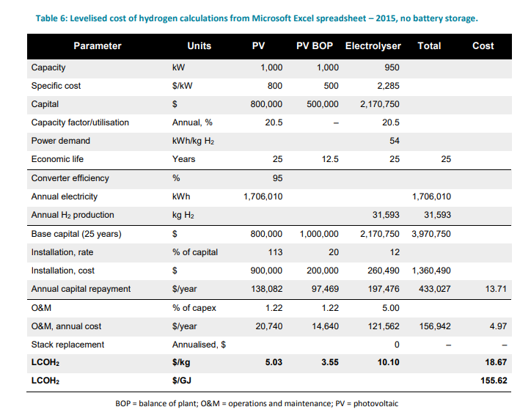
 |  |  |  |  |  |  | Hinkley, J., Hayward, J., McNaughton, R., Gillespie, R., Matsumoto, A., Watt, M., & Lovegrove, K. (2016). Cost assessment of hydrogen production from PV and electrolysis. Report to ARENA as part of Solar Fuels Roadmap, Project A-3018, 1-4.
 |  |  |  |  |  |  | Stack time in 2020 is 50000 and in 2030 is extected to be 80000
 |  |  |  |  |  |  | The capitas costs are 2285€/kW in 2020 and in 2030 it will be 2285€/kW

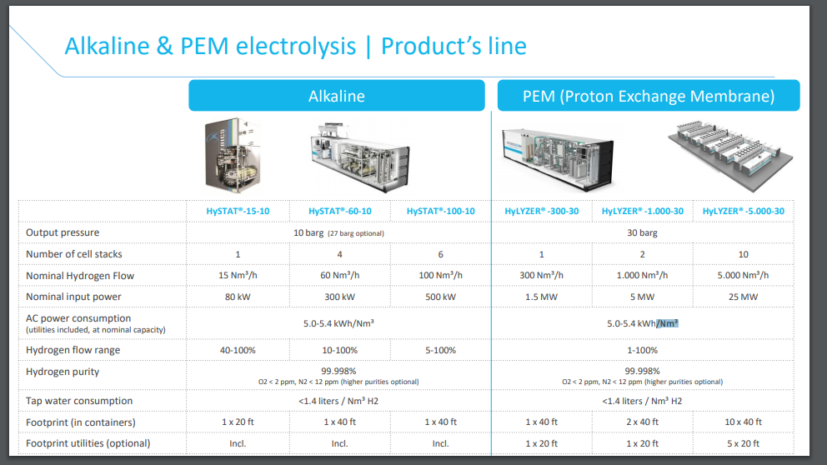

 |  |  |  |  |  |  |  |  |  |  |  |  | Nm3 | kg
 |  |  |  |  |  |  |  |  |  |  |  |  | 1 | 0.089
 |  |  |  |  |  |  |  |  |  |  |  |  | 1000 | 89
 |  |  |  |  |  |  |  |  |  |  |  |  |  |  |  |  |  |  | The stack in the electrolyser is assumed to have a lifetime of 50,000 hours, as for continuous operation. This is based on an assumption that the power conditioning in the system is sufficient to prevent significant spikes in current or voltage from the PV system passing to the electrolyser. At 20.5% utilisation, 50,000 hours equates to 27.8 years of operation. There is thus no need to replace the stack in the base case, so the stack replacement line entry shows as zero cost. In the sensitivity analysis, we consider the case where the stack lifetime is 20,000 hours: the low end of the range identified by the FCHJU (Bertuccioli et al., 2014).
 |  |  |  |  |  |  |  |  |  |  |  |  | 1 | 0.089
 |  |  |  |  |  |  |  |  |  |  |  |  | 5.4 | 60.674157303

 |  |  |  |  |  |  |  |  |  |  |  |  | 15.730337079

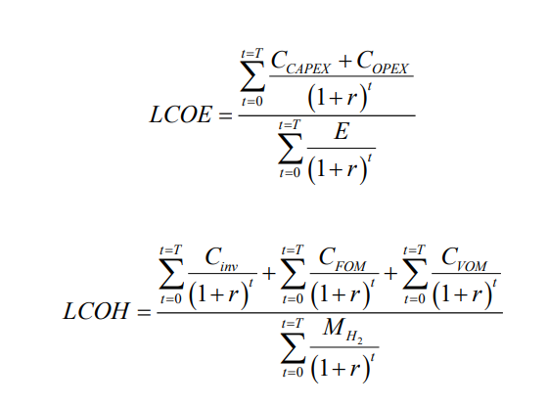

 |  |  |  | From Bertolucci (2014) https://www.fch.europa.eu/sites/default/files/FCHJUElectrolysisStudy_FullReport%20(ID%20199214).pdf

